Overview
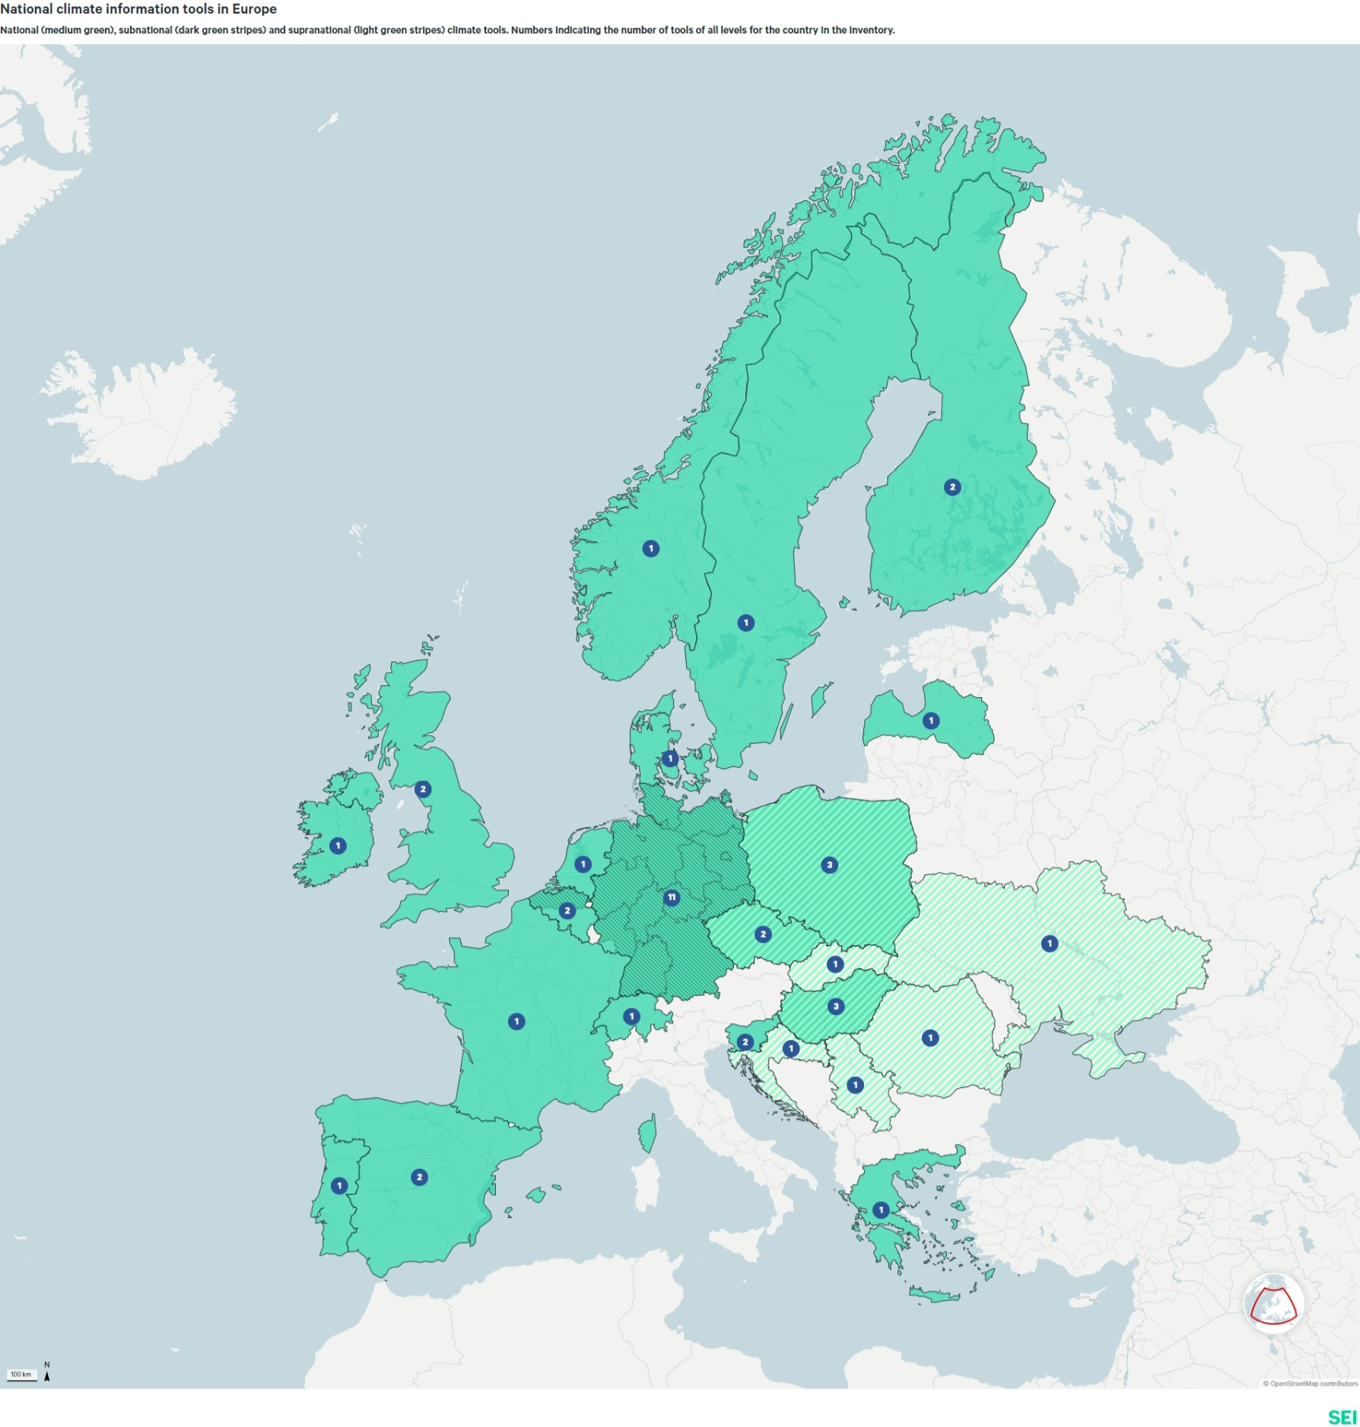
Climate information tools - Europe

 | Number
International tools: | 17
National tools: | 37

Overview map for national tools:

Qualitative and quantitative: | https://datawrapper.dwcdn.net/x9xde/3/
Qualitative: | https://datawrapper.dwcdn.net/JZRSF/3/

